Evidence

TC_S01: Valid search

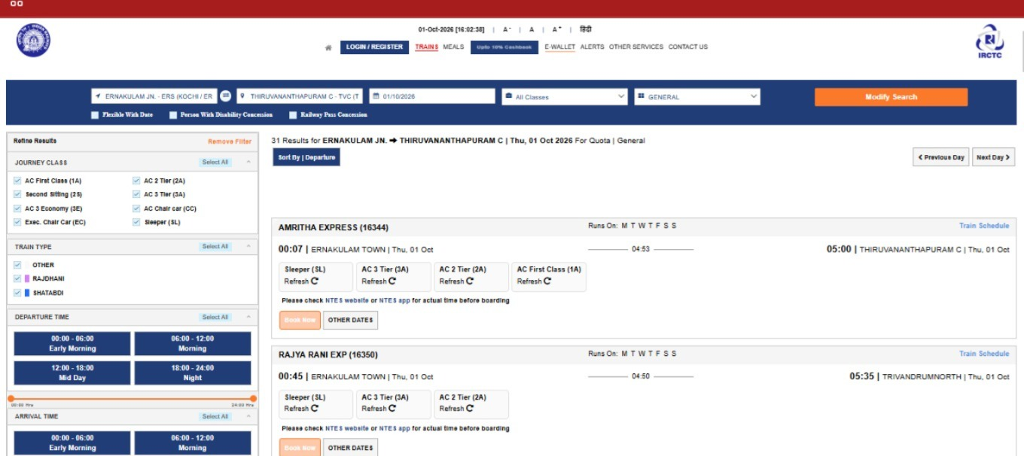

TC_S02: Station autosuggest
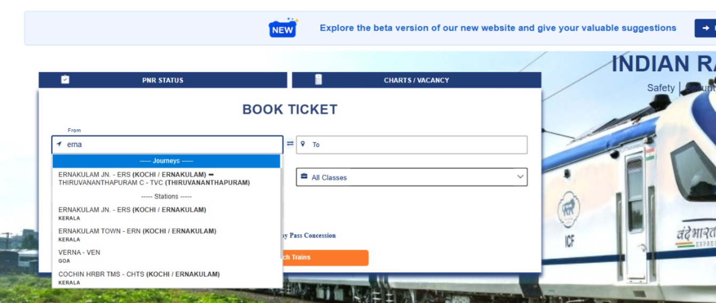

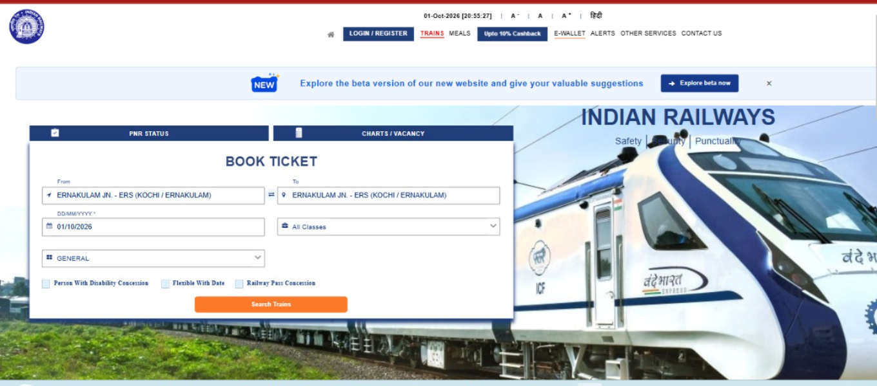
TC_S03 | Same From and To

TC_S04 (empty From/To)

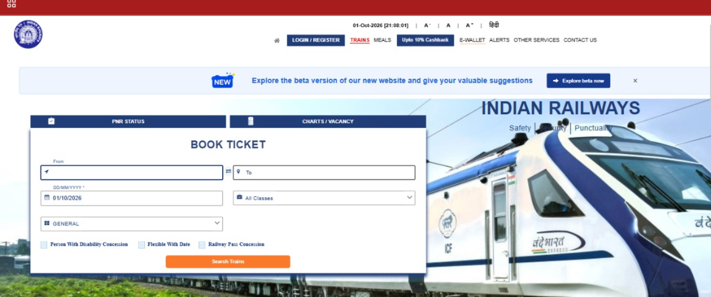

TC_S05: Invalid station text
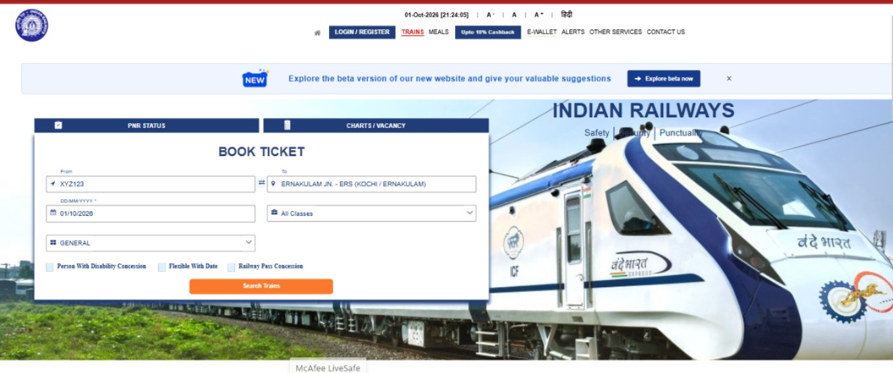

TC_S06: Past date selection
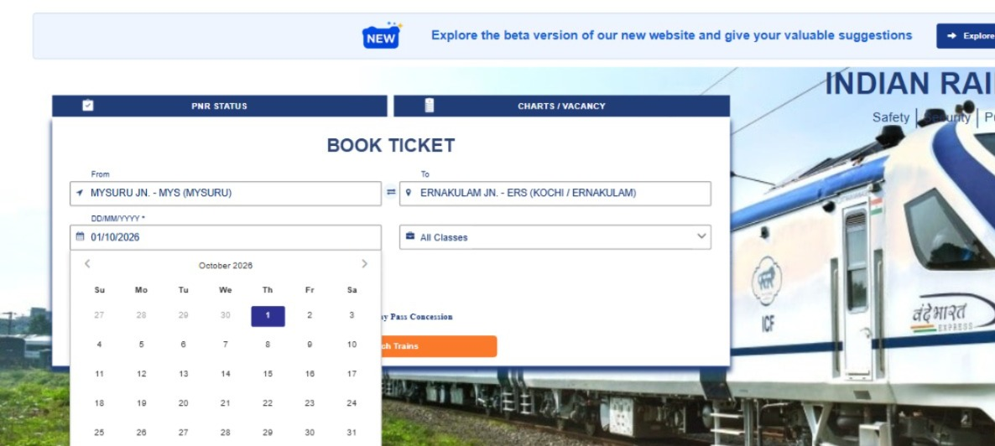

TC_S07: Boundary: last allowed booking date

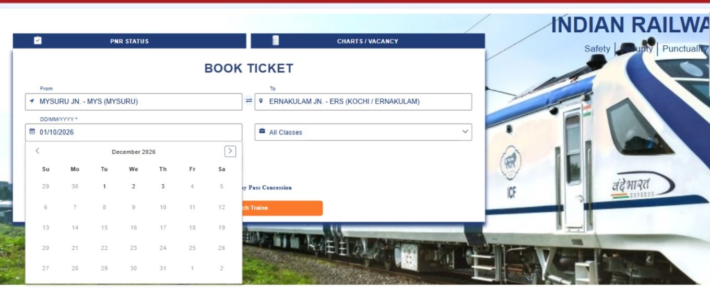

TC_S08:Boundary: one day beyond booking window

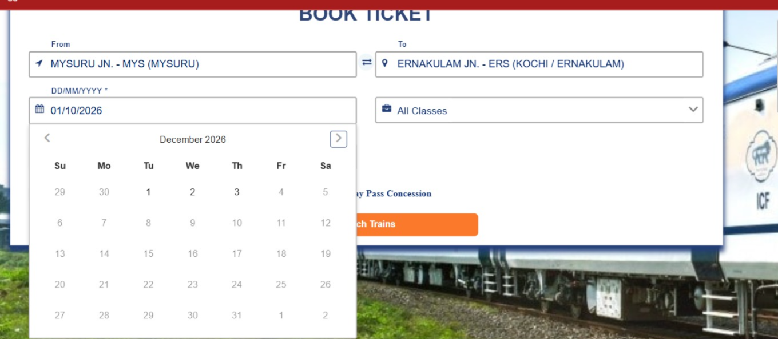

TC_S09:Swap From and To
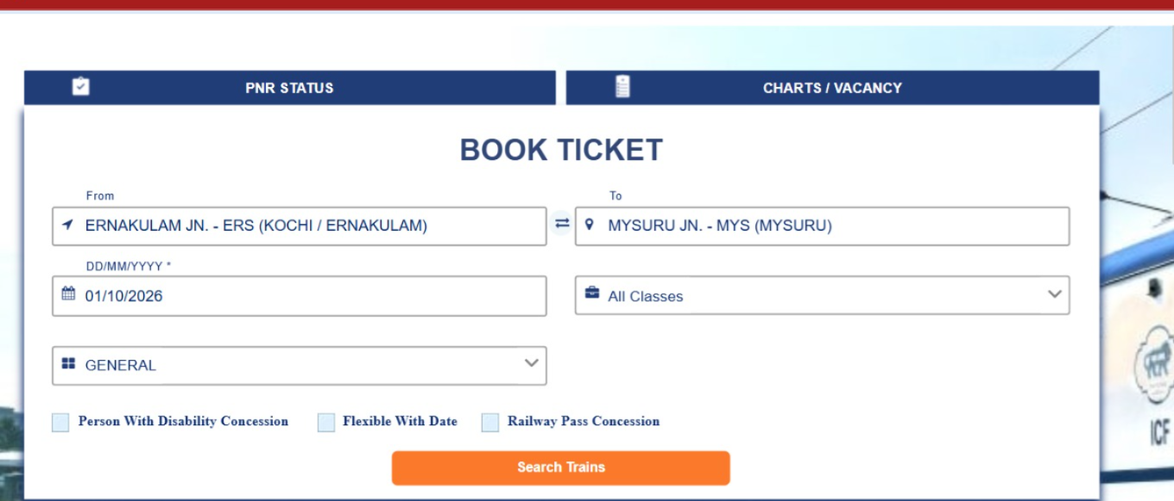

TC_S10:Class and quota selection

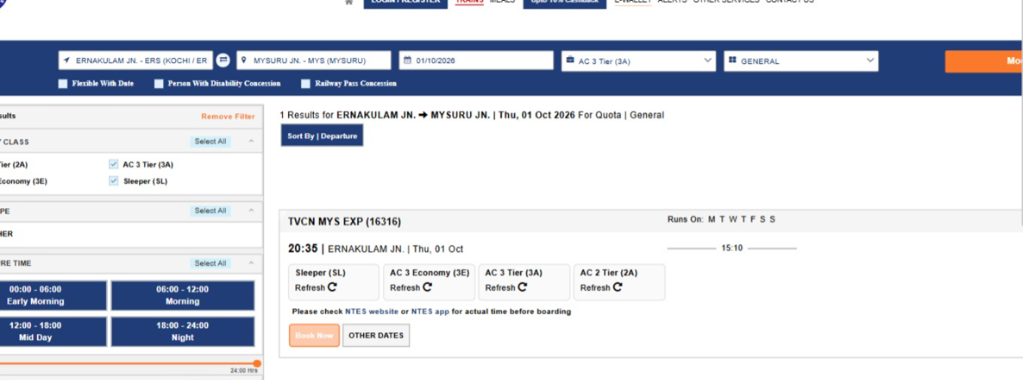

TC_S11 :no trains for a route

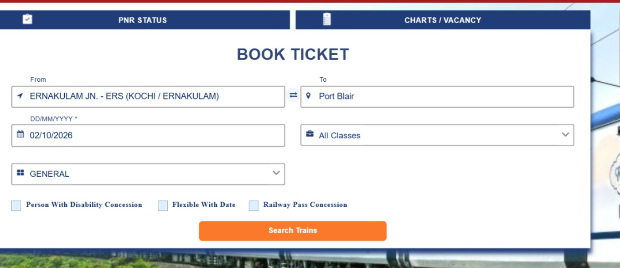

TC_L01: Login with valid credentials

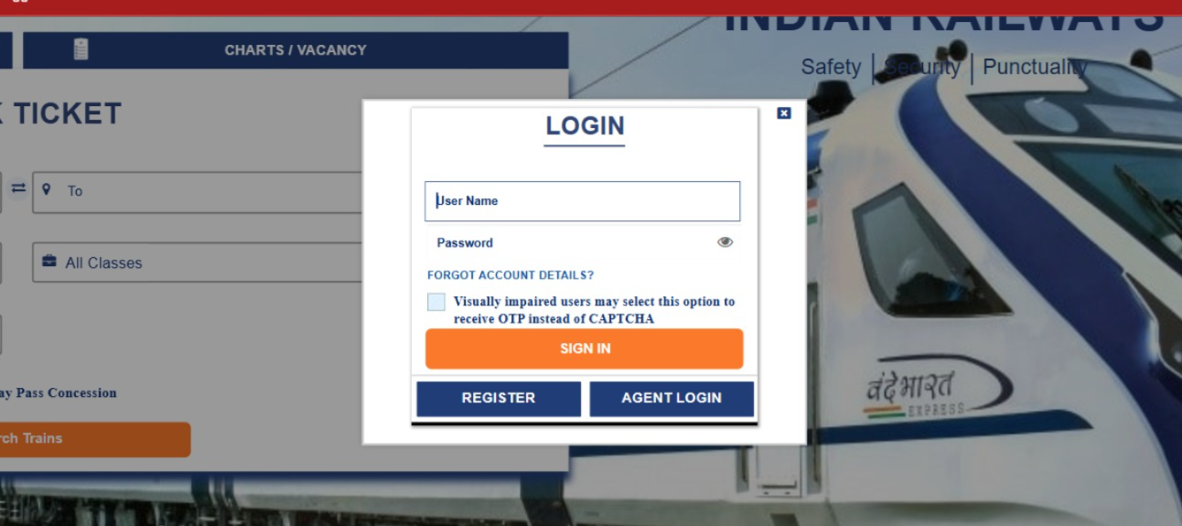

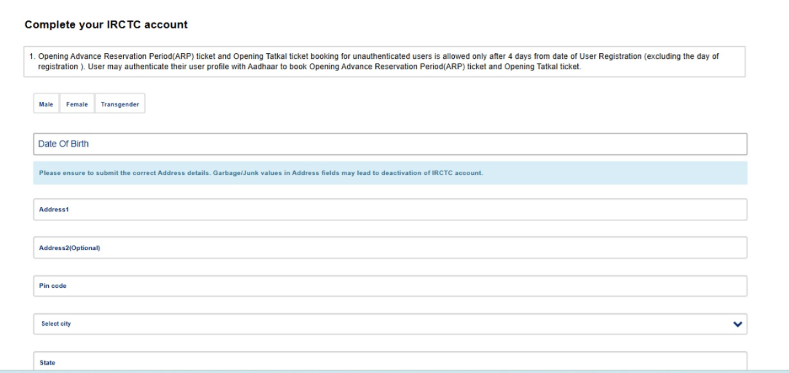

TC_L02:Login with wrong password

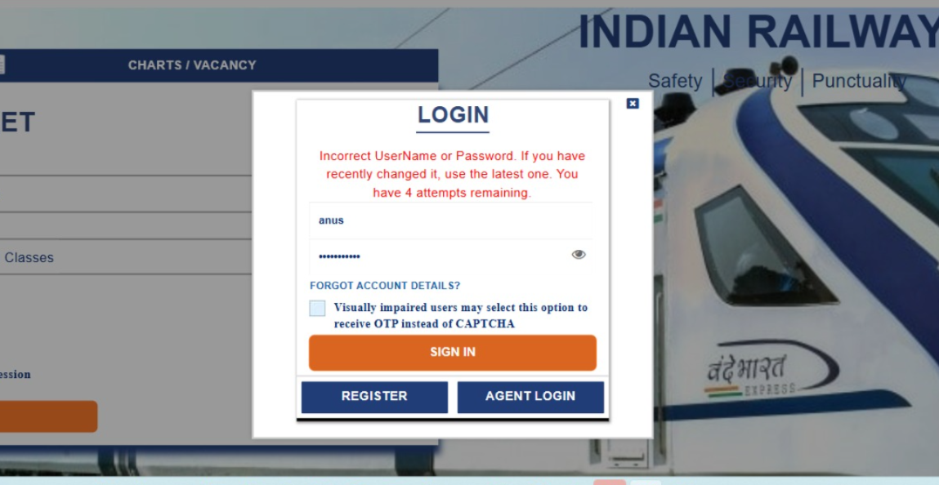

TC_L03: Login with unregistered user ID

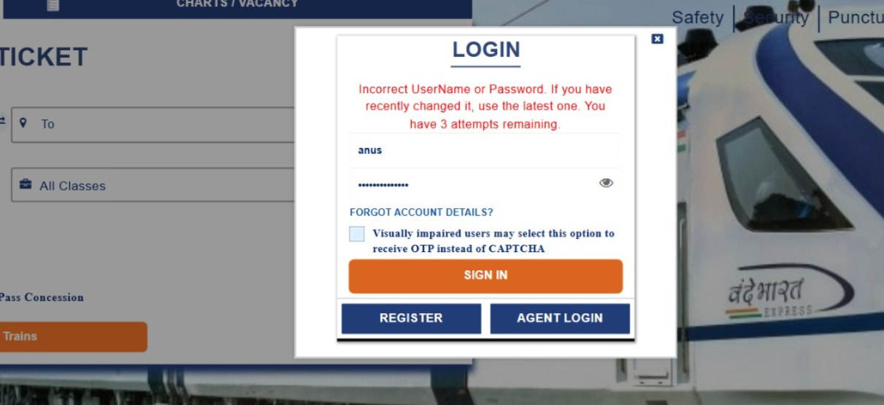

TC_L04:Login with blank fields

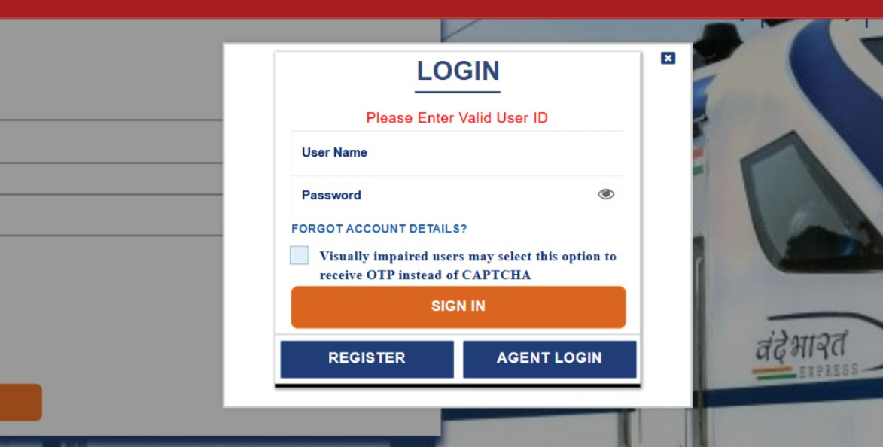

TC_L06 Password masking:

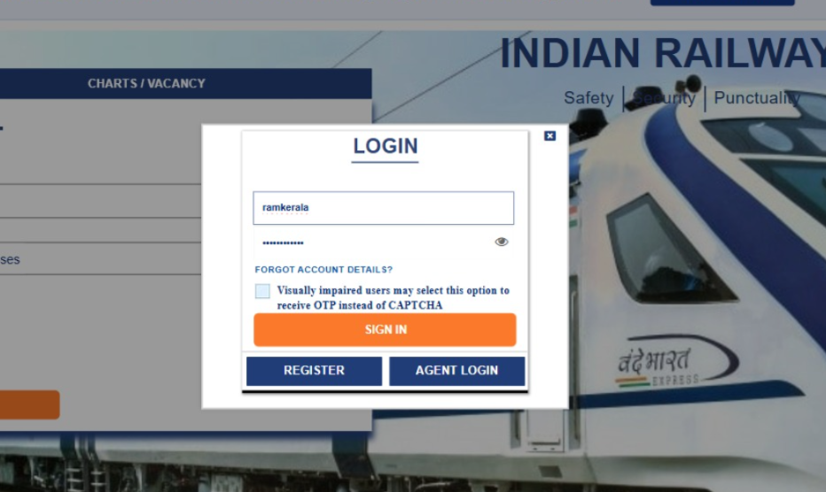

TC_L07: Forgot password link

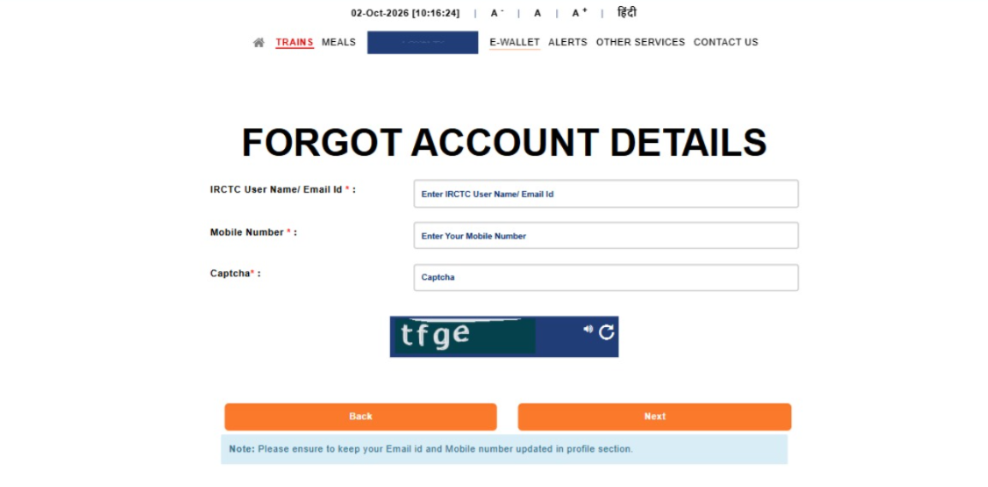

TC_L08: Post-login redirect to "Complete your IRCTC account" page

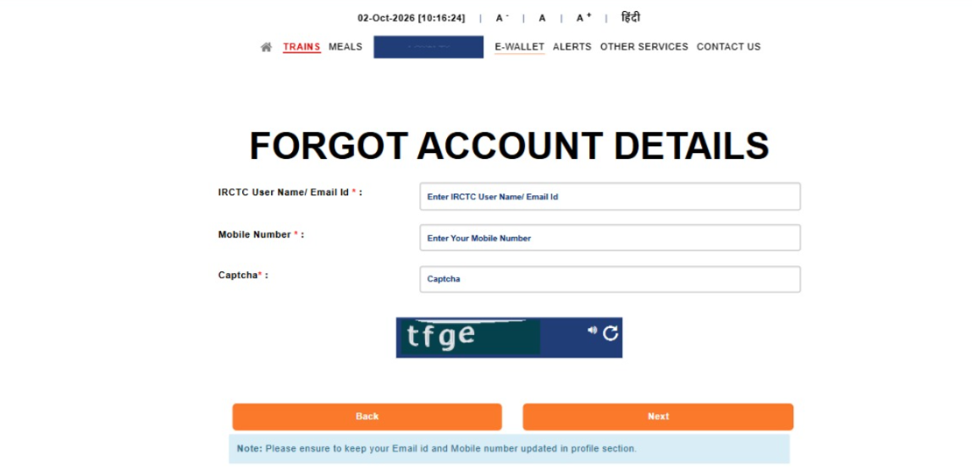

TC_L09 :Confirmation message is shown after completing the profile

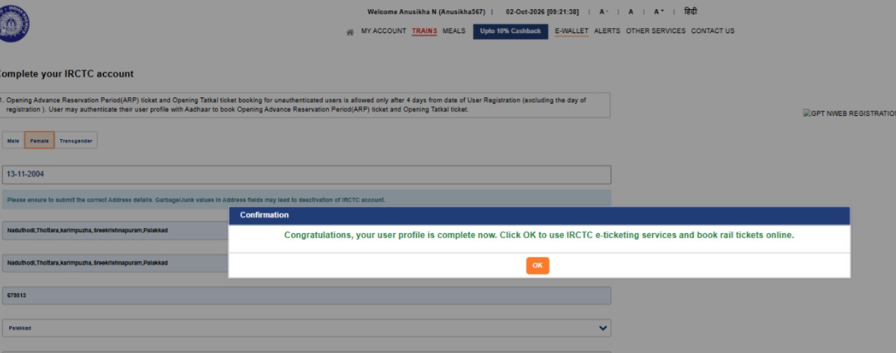

TC_L12Logout

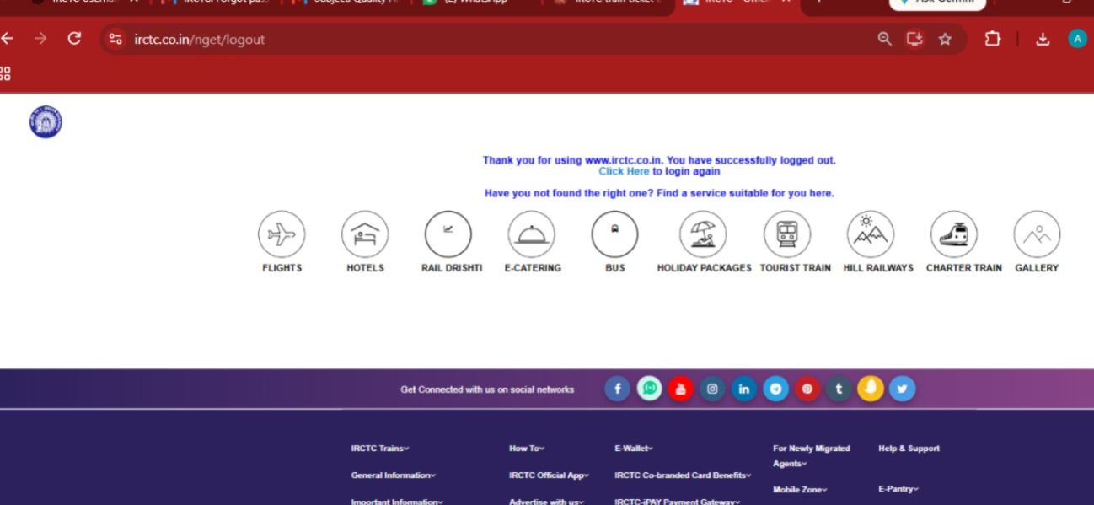

Tc_T01:Train Selection

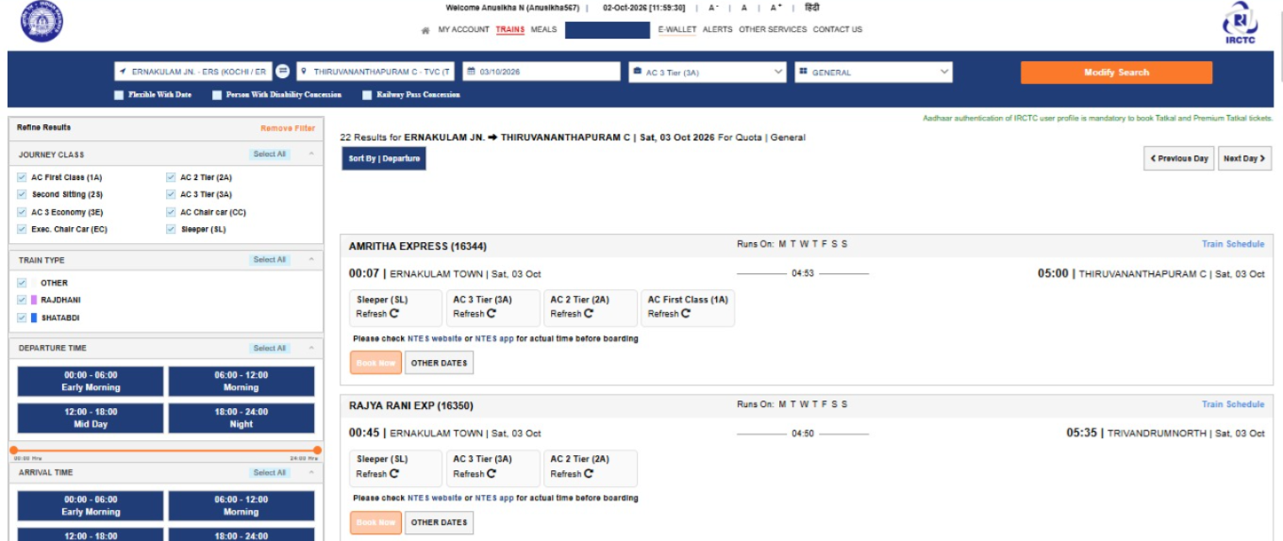

TC_T02: Availability status for a class

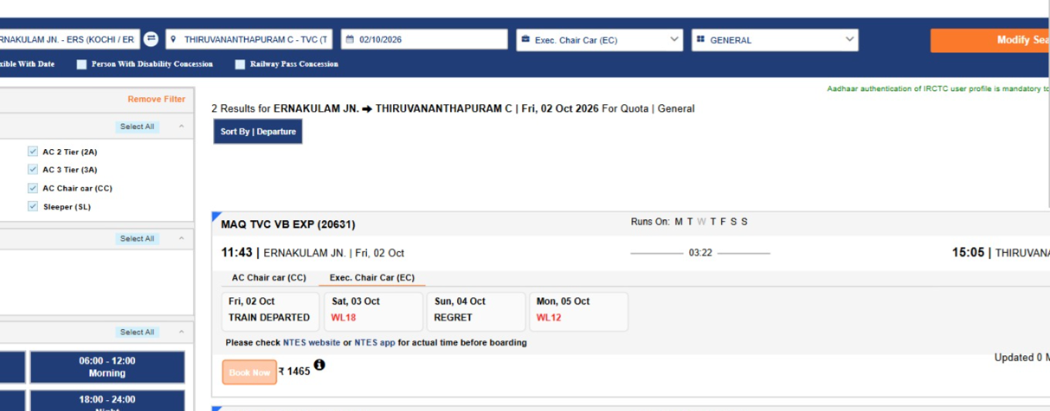

TC_T03:Fare matches class and quota

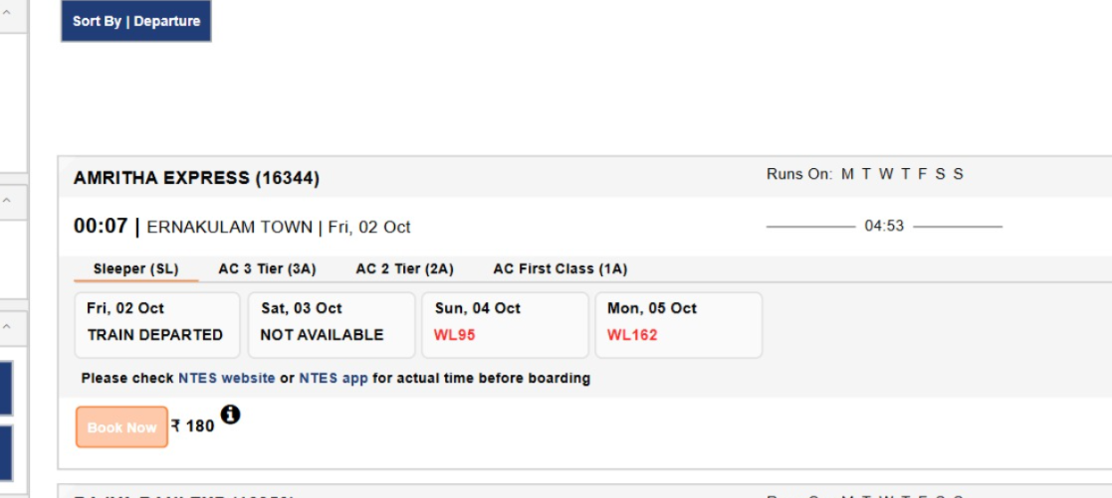

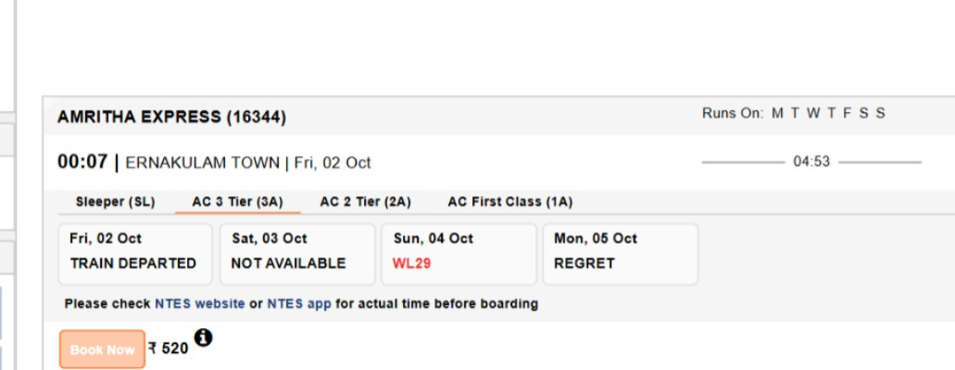

TC_T04Date-wise availability strip

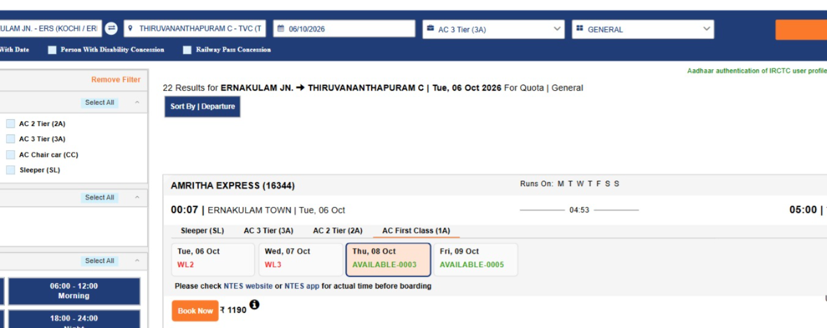

TC_T05:Filter and sort train list

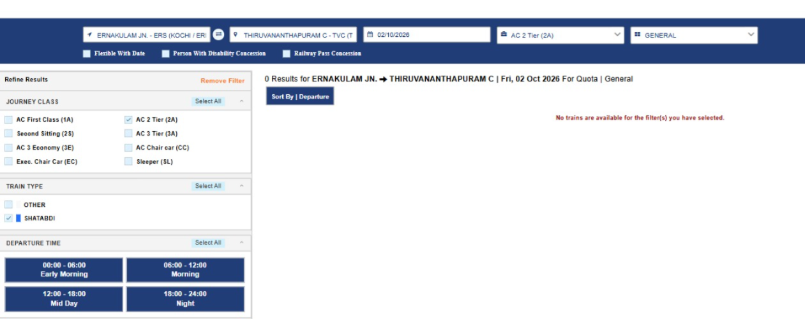

TC_T06:Refresh availability

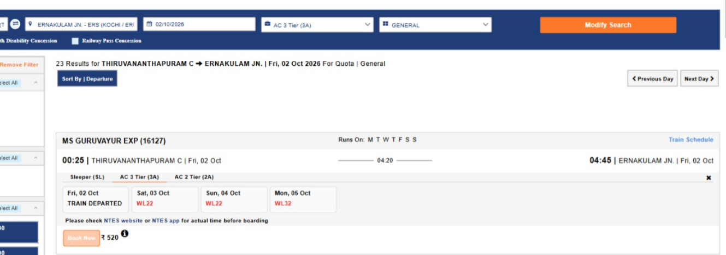

TC_T07 (waitlisted train)

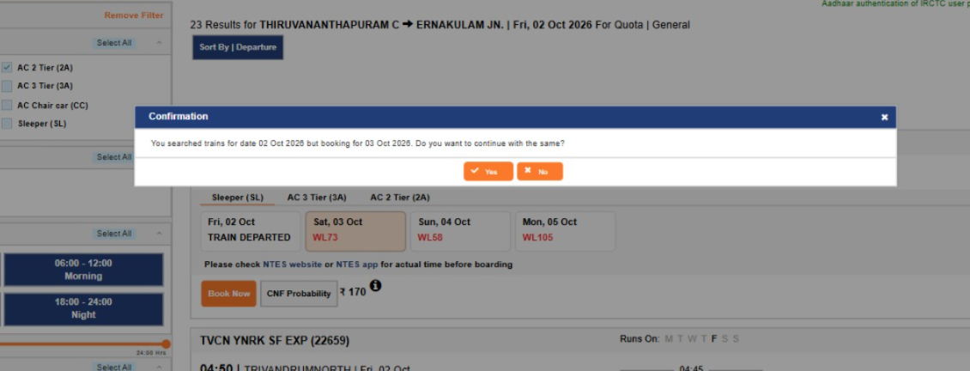

TC_T08:Book Now on a REGRET / unavailable class

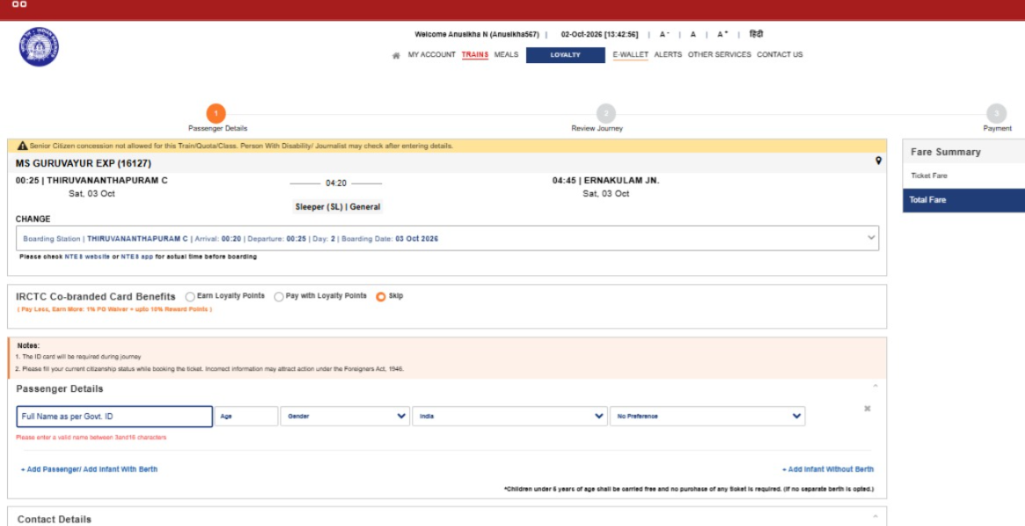

TC_P01:

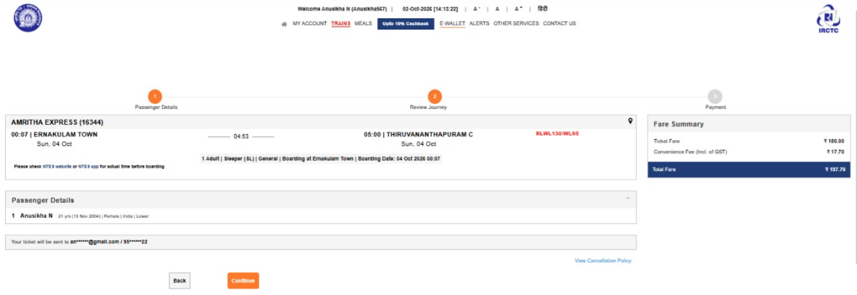

TC_P02

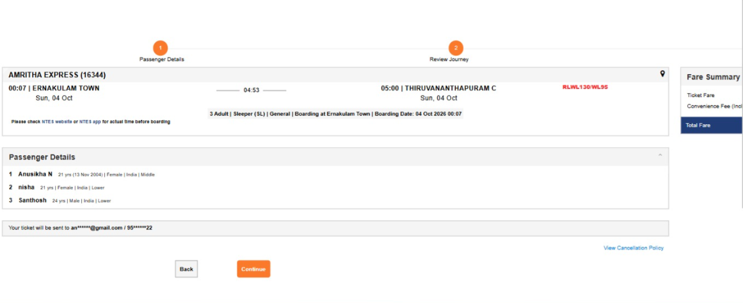

TC_P03

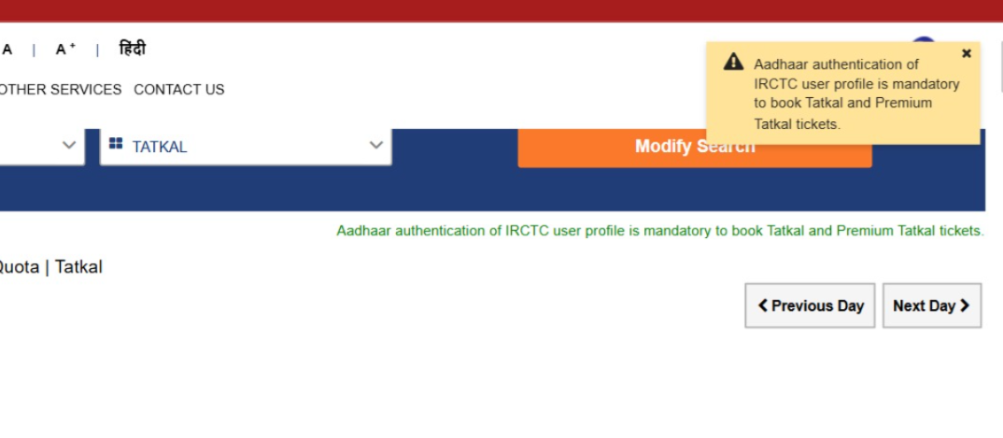

TC_P04

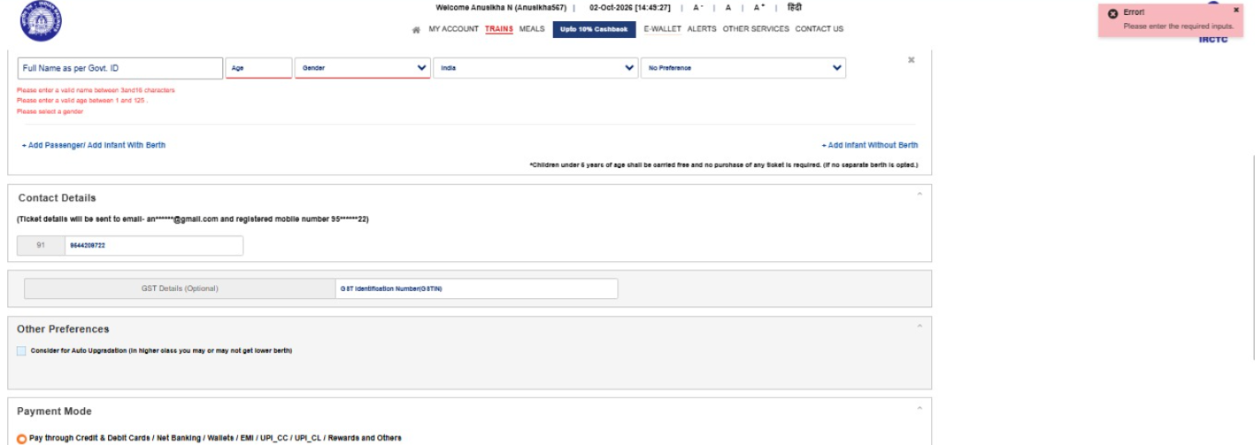

TC_P05

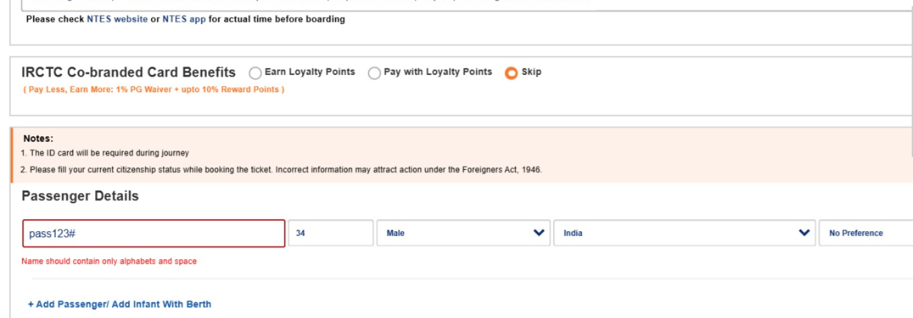

TC_P06

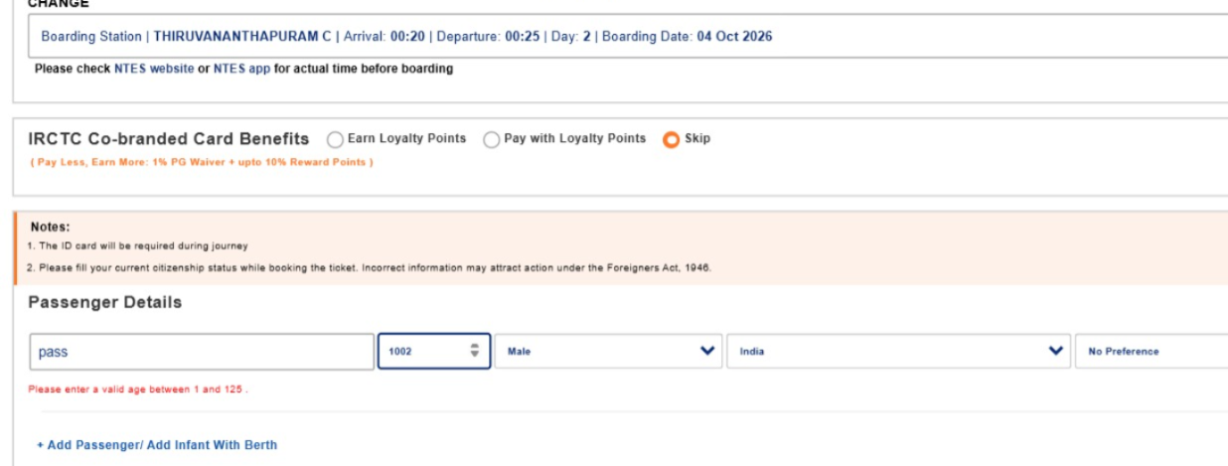

TC_P07



TC_PO8

TC_P09

TC_P10

TC_P11

TC_P12

TC_PAY01

TC_PAY02



TC_PAY03



TC_PAY04

